Gift List
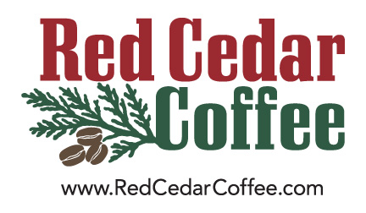

Red Cedar Coffee Co. Gift List |  |  |  |  |  |  | A gift of great-tasting coffee is always appeciated! <--Your billing address goes to the left. One row per recipient, below. If you have questions, please give us a call at 440.260.7509. When you're done, email the file to info@redcedarcoffee.com. If you need to add or remove people later, no problem.

WAYS TO FIND A GIFT |  | Your Billing Information
1. Check out our website |  | Name: | Company Name:
2. Visit our Tasting Room |  | Address line 1:
 |  | Address Line 2:
 |  | City:
 |  | State: | Zip Code:

Recipients Addresses
First Name | Last Name | Company Name | Address Line 1 | Address Line 2 | City | State | Zip | Phone | Item Code | Gift Message | Arrival Date

